Sheet1
 | Document No. |  | Issue No. | Issue Date |  | Review and Replace Date |  | Authorised By
 | GFF524MC |  | 1 | 22.07.2025 |  | New issue |  | Magda Shah
 | Document Title |  | COOK- 6 Vegetable Gyoza 120g
Document amendments reason for change | New Document |  |  | Page 1 of 1 | Previous Issue Date |  | New issue | Uncontrolled copy unless signed original

FVGYOC-R8TCO |  | COOK | 6 Vegetable Gyoza 120g | FROZEN
STEP1 |  |  |  | STEP2
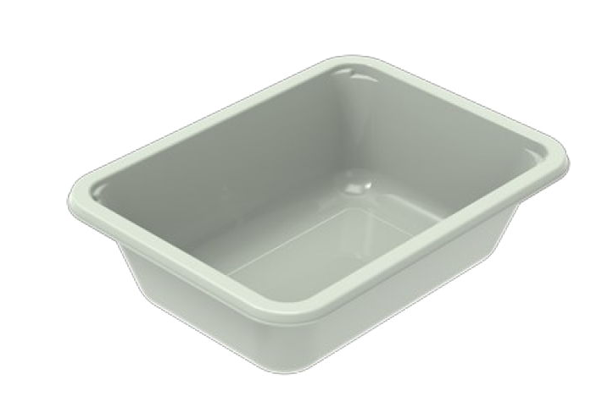 |  |  |  | 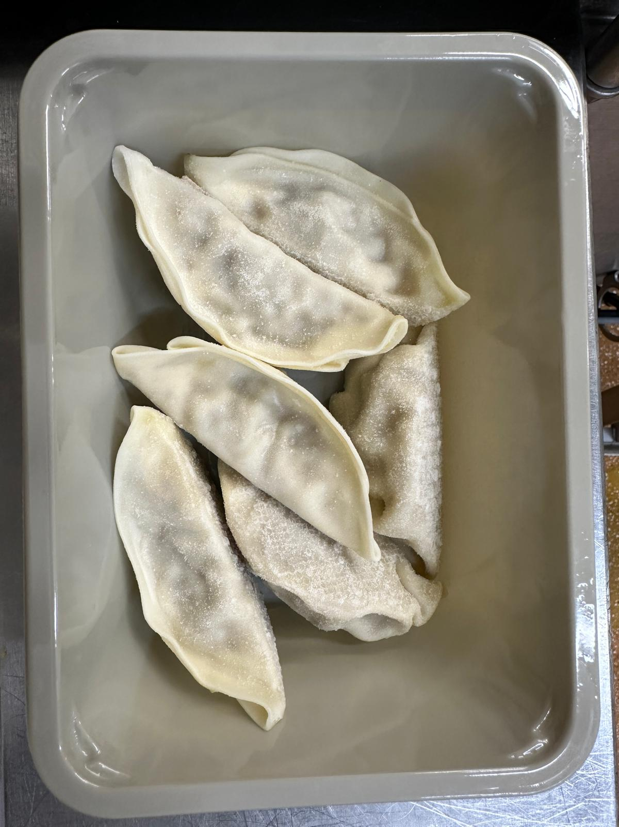

PROCESS TO FOLLOW:
- Pack 6 Vegetable Gyoza (frozen) in correct tray (NO GAS)
- Send to sleeving for sleeves & BB date application

Tray: EVOLVE CPET 2171-1F FROST (PKRHP001-14) |  |  |  | 6 Vegetable Gyoza -20g - (Product Code: RMWEI001-04)- 120g
Film: K Peel 3G 25µm (275mmX1000lm)(PKKMP001-04) |  |  |  | Total Weight: 120g
ALLERGY ALERT: Sesame, Soya, Wheat

